Sheet1
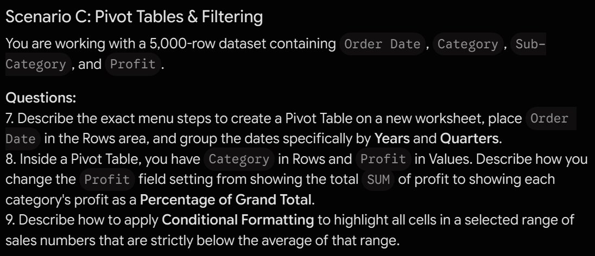
Barry Reinschreiber
Excel Practice Exam 1
2-Aug-26
 | Part 1: Data Manipulation & Cleaning

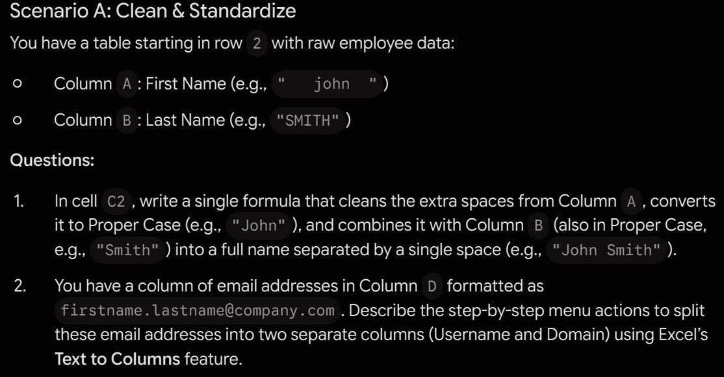
 |  | First Name | Last Name | Cleaned |  | Email Address | Username | Domain
 |  | john | SMITH | John Smith |  | john@gmail.com | john | gmail.com
 |  |  |  |  |  | Robert@gmail.com | Robert | gmail.com
 |  |  |  |  |  | Terry@hotmail.com | Terry | hotmail.com
 |  |  |  |  |  | breiner@socal.rr.com | breiner | socal.rr.com
 |  |  |  |  |  | jorholer@azu.co.jp | jorholer | azu.co.jp
 |  |  |  |  |  | scvonline@starcraft.com | scvonline | starcraft.com
 |  |  |  |  |  | janicer325@gmail.com | janicer325 | gmail.com
 |  |  |  |  |  | Peslami@csun.edu | Peslami | csun.edu
 |  |  |  |  |  | needmorepylons@starcraft.com | needmorepylons | starcraft.com
 |  |  |  |  |  | adamsmith@hotmail.com | adamsmith | hotmail.com
 |  |  |  |  |  | person@company.com | person | company.com
 |  |  |  |  |  | person@gmail.com | person | gmail.com

Questions
1. =PROPER(TEXTJOIN(" ",TRUE,TRIM(K7),L7)) or =PROPER(CONCAT(TRIM(K7)&" "&L7))
2. Select the rows > Data tab > Text to Columns > data type: delimiter > treat @ as the delimiter > destination in next column over

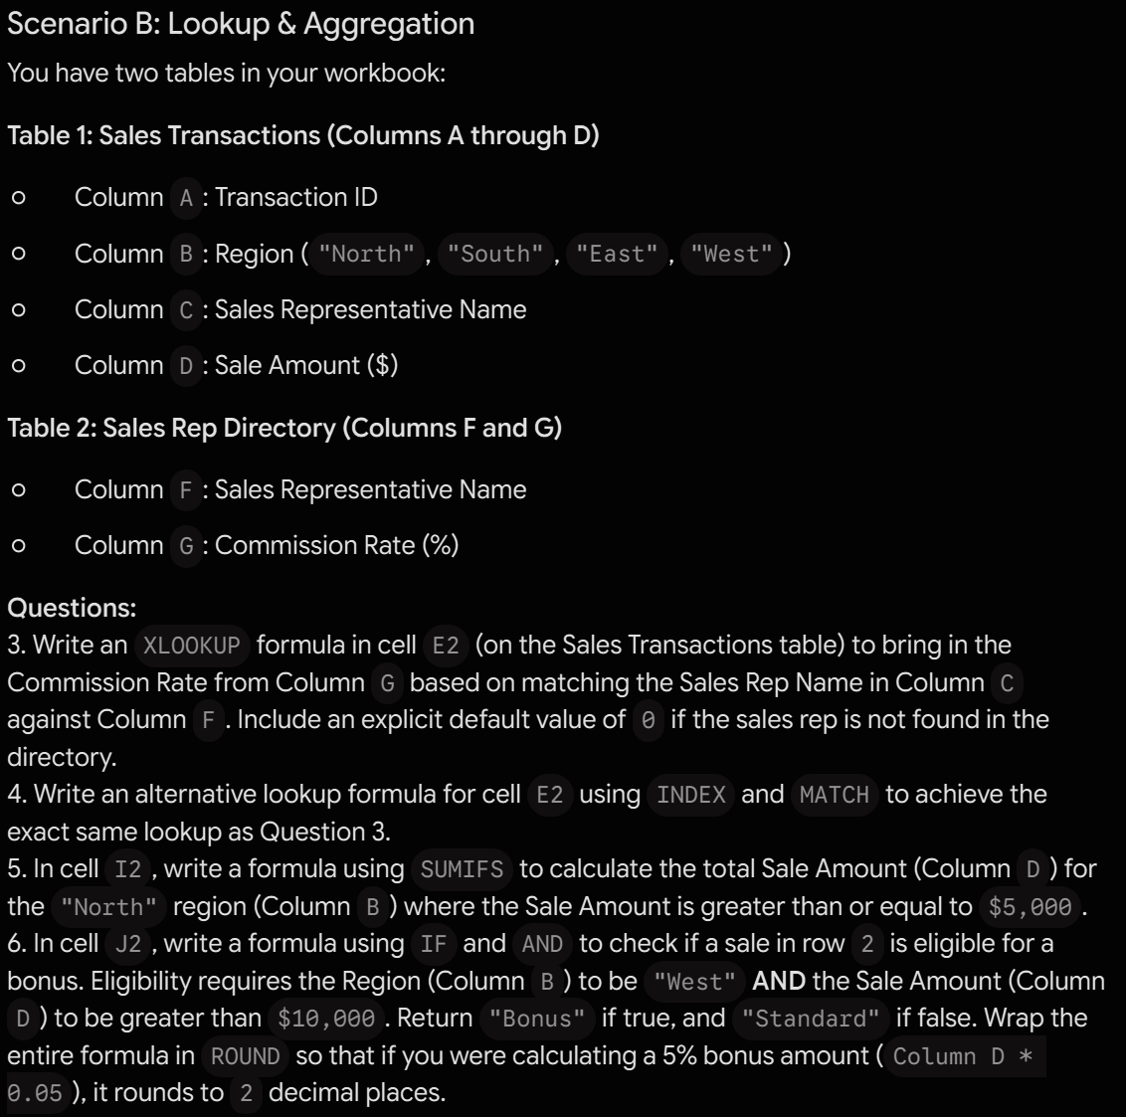
 | Part 2: Formulas & Logic
 |  |  | Table 1
 |  |  | Transaction ID | Region | Sales Representative Name | Sale Amount ($) | Commission Rate (%) | Column1 | Column2
 |  |  | TXN-1001 | North | Sarah Chen | $1,250 | 5.00% | 0.05 | Standard
 |  |  | TXN-1002 | South | Marcus Vance | $3,400 | 6.00% | 0.06 | Standard
 |  |  | TXN-1003 | East | Elena Rostova | $850 | 4.50% | 0.045 | Standard
 |  |  | TXN-1004 | West | David Miller | $4,120 | 5.50% | 0.055 | Standard
 |  |  | TXN-1005 | North | Amara Diop | $2,750 | 7.00% | 0.07 | Standard
 |  |  | TXN-1006 | South | Jordan Taylor | $1,900 | 5.00% | 0.05 | Standard
 |  |  | TXN-1007 | East | Sarah Chen | $5,300 | 5.00% | 0.05 | Standard
 |  |  | TXN-1008 | West | Marcus Vance | $980 | 6.00% | 0.06 | Standard
 |  |  | TXN-1009 | North | Elena Rostova | $3,150 | 4.50% | 0.045 | Standard
 |  |  | TXN-1010 | South | David Miller | $2,200 | 5.50% | 0.055 | Standard
 |  |  | TXN-1011 | East | Amara Diop | $6,450 | 7.00% | 0.07 | Standard
 |  |  | TXN-1012 | West | Jordan Taylor | $1,100 | 5.00% | 0.05 | Standard
 |  |  | TXN-1013 | North | Sarah Chen | $4,800 | 5.00% | 0.05 | Standard
 |  |  | TXN-1014 | South | Marcus Vance | $2,950 | 6.00% | 0.06 | Standard
 |  |  | TXN-1015 | East | Elena Rostova | $1,600 | 4.50% | 0.045 | Standard
 |  |  | TXN-1016 | West | David Miller | $5,100 | 5.50% | 0.055 | Standard
 |  |  | TXN-1017 | North | Amara Diop | $3,800 | 7.00% | 0.07 | Standard
 |  |  | TXN-1018 | South | Jordan Taylor | $2,400 | 5.00% | 0.05 | Standard
 |  |  | TXN-1019 | East | Sarah Chen | $7,200 | 5.00% | 0.05 | Standard
 |  |  | TXN-1020 | West | Marcus Vance | $1,450 | 6.00% | 0.06 | Standard
 |  |  | TXN-1021 | North | Elena Rostova | $3,900 | 4.50% | 0.045 | Standard
 |  |  | TXN-1022 | South | David Miller | $4,600 | 5.50% | 0.055 | Standard
 |  |  | TXN-1023 | East | Amara Diop | $2,100 | 7.00% | 0.07 | Standard
 |  |  | TXN-1024 | West | Jordan Taylor | $3,350 | 5.00% | 0.05 | Standard
 |  |  | TXN-1025 | North | Sarah Chen | $5,900 | 5.00% | 0.05 | Standard

 |  |  | Table 2
 |  |  | Sales Representative Name | Commission Rate (%) |  | Q5 | 5900
 |  |  | Sarah Chen | 5.00% |  | Q6
 |  |  | Marcus Vance | 6.00%
Questions
3. =XLOOKUP([@[Sales Representative Name]],rep_directory[Sales Representative Name],rep_directory[Commission Rate (%)])
4. =INDEX(rep_directory[Commission Rate (%)], MATCH([@[Sales Representative Name]],rep_directory[Sales Representative Name],0))
5. =SUMIFS(sales_transactions[Sale Amount ($)],sales_transactions[Region],"North",sales_transactions[Sale Amount ($)],">=5000")
6. =IF(AND([@Region]="West", [@[Sale Amount ($)]]>10000), "Bonus", "Standard")
Can't figure out the ROUND because the IF formula is only outputting text, not numbers?
 |  |  | Elena Rostova | 4.50%
 |  |  | David Miller | 5.50%
 |  |  | Amara Diop | 7.00%
 |  |  | Jordan Taylor | 5.00%

 | Part 3: Data Analysis

